Site Plan
Client : | Bristol City Council | Site plan for : | 2 - Devon Road
Project : | WAL-2141 Bryants Hill, Bristol | Date : | Tuesday 8th September 2015
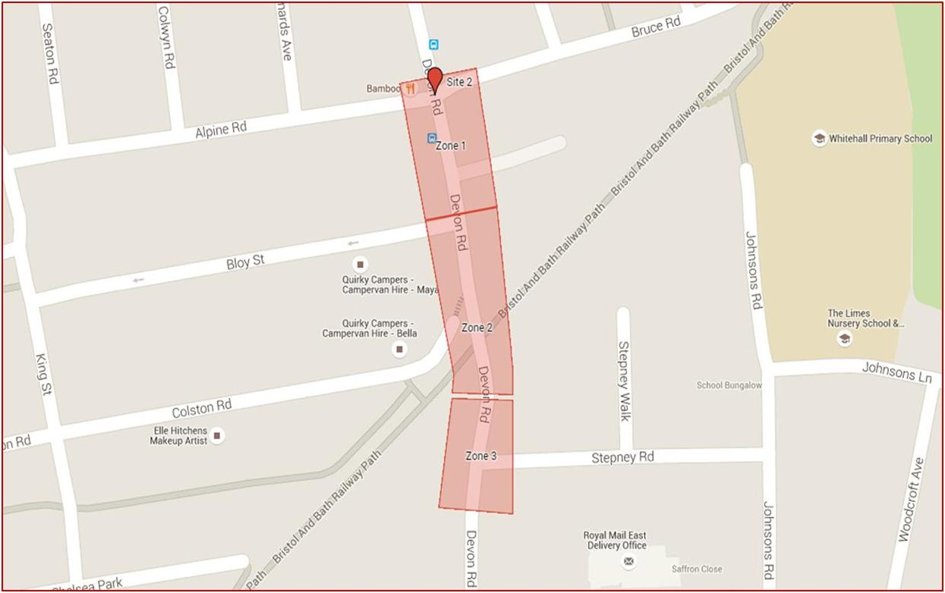
N O R T H
Pedestrians Crossing in each Zone
1
2

